Instructions
Order form External Venetian Blinds - Instructions

abbreviation 2 of forducte
Abbreviation | Description | note
VIVA 4SHORT | VIVA selfsupport blind - short

Product type
Abbreviation | Description | note
VIVA | Viva

Slat type
Abbreviation | Description | note
C80 | Cetta 80
C802 | Cetta 80, perpendicular bottom rail
C65 | Cetta 65
C652 | Cetta 65, perpendicular bottom rail
Z90 | Zetta 90
Z902 | Zetta 90, perpendicular bottom rail
Z70 | Zetta 70
Z702 | Zetta 70, perpendicular bottom rail
S90 | Setta 90
S902 | Setta 90, perpendicular bottom rail
S65 | Setta 65,
S652 | Setta 65, perpendicular bottom rail
C80F | Cetta 80 Flexi
C80F2 | Cetta 80 Flexi, perpendicular bottom rail
C100F | Cetta 100 Flexi
C100F2 | Cetta 100 Flexi, perpendicular bottom rail
C60F | Cetta 60 Flexi
C60F2 | Cetta 60 Flexi, perpendicular bottom rail

Slat color
Abbreviation | Description | Note
1015 | Light ivory
1019 | Grey beige
7016S | Anthracite grey structure
7016 | Anthracite grey
7022 | Umbragrey
7035 | Light grey
7038 | Achate grey
7039 | Grey
7048 | Pearl mouse grey
8014 | Sepia brown
8019 | Grey brown
9005 | Jet black
9006S | White aluminium structure
9006 | White aluminium
9007 | Grey aluminium
9010 | Pure white
9016 | Traffic white
VSR 780 | Bronze
YW359F | Black metallic

Ladder cord
Abbreviation | Description | Note |  | ST - CENTR,GREY
ST | CENTR,GREY | punching in slat axis

Control position
Abbreviation | Description | Note
KL1 | MOTOR S, cable outlet KL1 | control position for Viva blinds, motor center
KL2 | MOTOR S, cable outlet KL2 | control position for Viva blinds, motor center
KL3 | MOTOR S, cable outlet KL3 | control position for Viva blinds, motor center
KL4 | MOTOR S, cable outlet KL4 | control position for Viva blinds, motor center
KL5 | MOTOR S, cable outlet KL5 | control position for Viva blinds, motor center
KL6 | MOTOR S, cable outlet KL6 | control position for Viva blinds, motor center
KL7 | MOTOR S, cable outlet KL7 | control position for Viva blinds, motor center
KP1 | MOTOR S, cable outlet KP1 | control position for Viva blinds, motor center
KP2 | MOTOR S, cable outlet KP2 | control position for Viva blinds, motor center
KP3 | MOTOR S, cable outlet KP3 | control position for Viva blinds, motor center
KP4 | MOTOR S, cable outlet KP4 | control position for Viva blinds, motor center
KP5 | MOTOR S, cable outlet KP5 | control position for Viva blinds, motor center
KP6 | MOTOR S, cable outlet KP6 | control position for Viva blinds, motor center
KP7 | MOTOR S, cable outlet KP7 | control position for Viva blinds, motor center | Control position
K0 | MOTOR S, without cable outlet K0 | control position for Viva blinds, motor center

Control type
Abbreviation | Description | Note
A6 | motor Isotra Basic 6Nm up to 10m²
A10 | motor Isotra Basic 10Nm up to 16m²
S | motor Somfy WT (automatically) | motor Somfy
S2 | motor Somfy iO (automatically) | motor Somfy
M6P | MOTOR Somfy WT PROTECT 6 Nm up to 10 m2 | motor Somfy
M10P | MOTOR Somfy WT PROTECT 10 Nm up to 16 m2 | motor Somfy

Head-rail material
Abbreviation | Description | Note
Fe | standard forfile 56x58mm, mat.Fe

Head-rail color
Abbreviation | Description | Note
9006RAL | RAL grey (grey aluminium) 9006
9016 | RAL white (traffic white) 9016
9010 | RAL white 9010
9007 | RAL grey (grey aluminium) 9007
9005 | RAL black (jet black) 9005
8014 | RAL brown (sepia brown) 8014
7048 | RAL grey (pearl grey) 7048
7038 | RAL grey (agate grey) 7038
7035 | RAL grey (light grey) 7035
7022 | RAL grey (umbra grey) 7022
7021 | RAL grey (black-grey) 7021
7016 | RAL grey (anthracite grey) 7016
5014 | RAL blue 5014
5002 | RAL blue (ultramarine blue) 5002
3000 | RAL red (flame red) 3000
1015 | RAL yellow (light ivory) 1015
9006S | RAL grey (grey aluminium) 9006 structured
7016S | RAL grey (anthracite grey) 7016 structured
VSR780 | RAL VSR780
DB703 | RAL grey (dark pearl) DB 703

Bottom-rail color
Abbreviation | Description | Note
9006RAL | RAL grey (grey aluminium) 9006 | standard
9016 | RAL white (traffic white) 9016
9010 | RAL white 9010
9007 | RAL grey (grey aluminium) 9007
9005 | RAL black (jet black) 9005
8014 | RAL brown (sepia brown) 8014
7048 | RAL grey (pearl grey) 7048
7038 | RAL grey (agate grey) 7038
7035 | RAL grey (light grey) 7035
7022 | RAL grey (umbra grey) 7022
7021 | RAL grey (black-grey) 7021
7016 | RAL grey (anthracite grey) 7016
5014 | RAL blue 5014
5002 | RAL blue (ultramarine blue) 5002
3000 | RAL red (flame red) 3000
1015 | RAL yellow (light ivory) 1015
9006S | RAL grey (grey aluminium) 9006 structured
7016S | RAL grey (anthracite grey) 7016 structured
VSR780 | RAL VSR780
DB703 | RAL grey (dark pearl) DB 703

Guiding type
Abbreviation | Description | Note
VL | plastic guiding pins

Guiding left/right
Abbreviation | Description | Note
P 020/00vrO | Guiding channels P020/00 (76mm) drilled for lining (-34)
P 020/00vrR | Guiding channels P020/00 (76mm) drilled for frame (-34)
P 020/01vrO | Guiding channels P020/01 (86mm) drilled for lining (-34)
P 020/01vrR | Guiding channels P020/01 (86mm) drilled for frame (-34)
P 020/02vrO | Guiding channels P020/02 (96mm) drilled for lining (-34)
P 020/02vrR | Guiding channels P020/02 (96mm) drilled for frame (-34)
P 020/03vrO | Guiding channels P020/03 (106mm) drilled for lining (-34)
P 020/03vrR | Guiding channels P020/03 (106mm) drilled for frame (-34)
P 020/04vrO | Guiding channels P020/04 (116mm) drilled for lining (-34)
P 020/04vrR | Guiding channels P020/04 (116mm) drilled for frame (-34)
P 020/05vrO | Guiding channels P020/05 (126mm) drilled for lining (-34)
P 020/05vrR | Guiding channels P020/05 (126mm) drilled for frame (-34)

Guiding color left/right
Abbreviation | Description | Note
9006RAL | RAL grey (grey aluminium) 9006
9016 | RAL white (traffic white) 9016
...
3000 | RAL red (flame red) 3000
1015 | RAL yellow (light ivory) 1015
9006S | RAL grey (grey aluminium) 9006 structured
7016S | RAL grey (anthracite grey) 7016 structured
VSR780 | RAL VSR780
DB703 | RAL grey (dark pearl) DB 703

the size of the box (mm) |  |  | Box - for Viva only
Abbreviation | Description | Note
190x140b | box square, without insulation 190x144 | for Viva only | box square, without insulation |  | box square, 1xL without insulation | box square, 2xL without insulation
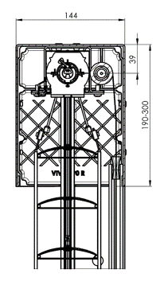
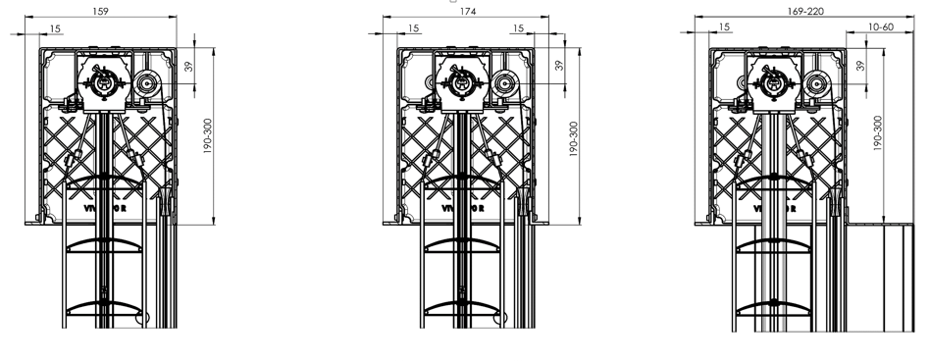
220x140b | box square, without insulation 220x144 | for Viva only
260x140b | box square, without insulation 260x144 | for Viva only
300x140b | box square, without insulation 300x144 | for Viva only
190x150Lb | box square 1xL, without insulation 190x159 | for Viva only
220x150Lb | box square 1xL, without insulation 220x159 | for Viva only
260x150Lb | box square 1xL, without insulation 260x159 | for Viva only
300x150Lb | box square 1xL, without insulation 300x159 | for Viva only
190x160L2b | box square 2xL, without insulation 190x174 | for Viva only
220x160L2b | box square 2xL, without insulation 220x174 | for Viva only
260x160L2b | box square 2xL, without insulation 260x174 | for Viva only
300x160L2b | box square 2xL, without insulation 300x174 | for Viva only
190x160L2VP | box square 2xL, with internal insulation 15mm 190x174 | for Viva only
220x160L2VP | box square 2xL, with internal insulation 15mm 220x174 | for Viva only
260x160L2VP | box square 2xL, with internal insulation 15mm 260x174 | for Viva only
300x160L2VP | box square 2xL, with internal insulation 15mm 300x174 | for Viva only

Packing
Abbreviation | Description | Note
K | Cardboard
KV | Cardboard with reinforcement
FBK | Cardboard with bubble foil
FBKV | Cardboard with bubble foil and reinforcement

Valid from 01.04.2024.

 |  |  | box square, with internal insulation 15mm

