Instructions
Order form External Venetian Blinds VIVA - building preparation - Instructions

abbreviation 2 of producte
Abbreviation | Description | note
VIVA 4P | building preparation for VIVA

Product type
Abbreviation | Description | note
VIVA | Viva

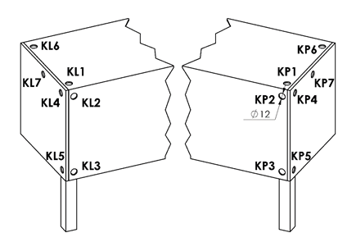
Control position |  |  | Control position - cable outlet
Abbreviation | Description | Note
K0 | MOTOR S, without cable outlet K0 | control position for Viva blinds, motor center
KL1 | MOTOR S, cable outlet KL1 | control position for Viva blinds, motor center
KL2 | MOTOR S, cable outlet KL2 | control position for Viva blinds, motor center
KL3 | MOTOR S, cable outlet KL3 | control position for Viva blinds, motor center
KL4 | MOTOR S, cable outlet KL4 | control position for Viva blinds, motor center
KL5 | MOTOR S, cable outlet KL5 | control position for Viva blinds, motor center
KL6 | MOTOR S, cable outlet KL6 | control position for Viva blinds, motor center
KL7 | MOTOR S, cable outlet KL7 | control position for Viva blinds, motor center
KP1 | MOTOR S, cable outlet KP1 | control position for Viva blinds, motor center
KP2 | MOTOR S, cable outlet KP2 | control position for Viva blinds, motor center
KP3 | MOTOR S, cable outlet KP3 | control position for Viva blinds, motor center
KP4 | MOTOR S, cable outlet KP4 | control position for Viva blinds, motor center
KP5 | MOTOR S, cable outlet KP5 | control position for Viva blinds, motor center
KP6 | MOTOR S, cable outlet KP6 | control position for Viva blinds, motor center
KP7 | MOTOR S, cable outlet KP7 | control position for Viva blinds, motor center

Head-rail material
Abbreviation | Description | Note
Fe | standard profile 56x58mm, mat.Fe

Head-rail color
Abbreviation | Description | Note
1013 | RAL yellow (oyster white) 1013
1015 | RAL yellow (light ivory) 1015
1019 | RAL yellow (grey yellow) 1019
3004 | RAL red (special for slat 3004)
3005 | RAL red (wine red) 3005
6009 | RAL green (fir green) 6009
7015 | RAL grey (slate grey) 7015
7016 | RAL grey (anthracite grey) 7016
7016M | RAL grey (anthracite) matt 7016
7016S | RAL grey (anthracite grey) 7016 structured
7021 | RAL grey (black grey) 7021
7022 | RAL grey (umbra grey) 7022
7024 | RAL grey (graphite) 7024
7035 | RAL grey (light grey) 7035
7037 | RAL grey (dusty grey) 7037
7038 | RAL grey (agate grey) 7038
7039 | RAL grey (quartz grey) 7039
7040 | RAL grey (window grey) 7040
7044 | RAL grey ( grey silk ) 7044
7048 | RAL grey (pearl grey) 7048
8012 | RAL brown (red brown) 8012
8014 | RAL brown (sepia brown) 8014
8014M | RAL brown (sepia brown) matt 8014
8014S | RAL brown (sepia brown) 8015 structured
8019 | RAL brown (grey brown) 8019
9003RAL | RAL white ( white signal ) 9003
9004 | RAL black (signal black) 9004
9005 | RAL black (jet black) 9005
9005M | RAL black (jet black) matt 9005
9005S | RAL black (jet black) 9005 structured
9006RAL | RAL grey (grey aluminium) 9006
9006M | RAL grey (grey aluminium) matt 9006
9006S | RAL grey (grey aluminium) 9006 structured
9007 | RAL grey (grey aluminium) 9007
9007M | RAL grey (grey aluminium) matt 9007
9007S | RAL grey (grey aluminium) 9007 structured
9010 | RAL white 9010
9010M | RAL white matt 9010
9010S | RAL white 9010 structured
9016 | RAL white (traffic white) 9016
9016S | RAL white (traffic white) 9016 structured
9016M | RAL white (traffic white) matt 9016
DB702 | RAL grey ( for lamele DB702 )
DB703 | RAL grey (dark pearl) DB 703
YW359F | black metallic
VSR780 | RAL VSR780
X | OTHER COLOUR (check with your Sales Rep.)
ISD110 | Isotra system DECORAL smooth ISD110 | Decoral max. width is 4m.
ISD120 | Isotra system DECORAL smooth ISD120 | Decoral max. width is 4m.
ISD130 | Isotra system DECORAL smooth ISD130 | Decoral max. width is 4m.
ISD140 | Isotra system DECORAL smooth ISD140 | Decoral max. width is 4m.
ISD150 | Isotra system DECORAL smooth ISD150 | Decoral max. width is 4m.
ISD160 | Isotra system DECORAL smooth ISD160 | Decoral max. width is 4m.
ISD210 | Isotra system DECORAL structure ISD210 | Decoral max. width is 4m.
ISD220 | Isotra system DECORAL structure ISD220 | Decoral max. width is 4m.
ISD230 | Isotra system DECORAL structure ISD230 | Decoral max. width is 4m.
ISD310 | Isotra system DECORAL polish ISD310 | Decoral max. width is 4m.
ISD152 | Isotra system DECORAL smooth ISD152 | Decoral max. width is 4m.
ISD154 | Isotra system DECORAL smooth ISD154 | Decoral max. width is 4m.
ISD200 | Isotra system DECORAL structure ISD200 | Decoral max. width is 4m.
ISD212 | Isotra system DECORAL structure ISD212 | Decoral max. width is 4m.
ISD214 | Isotra system DECORAL structure ISD214 | Decoral max. width is 4m.
ISD222 | Isotra system DECORAL structure ISD222 | Decoral max. width is 4m.
ISD500 | Isotra system DECORAL smooth ISD500 | Decoral max. width is 4m.
ISD510 | Isotra system DECORAL smooth ISD510 | Decoral max. width is 4m.
ISD600 | Isotra system DECORAL structure ISD600 | Decoral max. width is 4m.
ISD610 | Isotra system DECORAL structure ISD610 | Decoral max. width is 4m.
ISD620 | Isotra system DECORAL structure ISD620 | Decoral max. width is 4m.
ISD630 | Isotra system DECORAL structure ISD630 | Decoral max. width is 4m.
ISD640 | Isotra system DECORAL structure ISD640 | Decoral max. width is 4m.
ISD700 | Isotra system DECORAL blue bubbles ISD700 | Decoral max. width is 4m.
Xisd | Other ISD Decoral (discuss with your Sales Rep.) | Decoral max. width is 4m.

Guiding type
Abbreviation | Description | Note
VL | plastic guiding pins
VK | metal guiding pins

Guiding left/right
Abbreviation | Description | Note
P 020/00vrO | Guiding channels P020/00 (76mm) drilled for lining (-34) | standard
P 020/00vrR | Guiding channels P020/00 (76mm) drilled for frame (-34) | standard
P 020/01vrO | Guiding channels P020/01 (86mm) drilled for lining (-34)
P 020/01vrR | Guiding channels P020/01 (86mm) drilled for frame (-34)
P 020/02vrO | Guiding channels P020/02 (96mm) drilled for lining (-34)
P 020/02vrR | Guiding channels P020/02 (96mm) drilled for frame (-34)
P 020/03vrO | Guiding channels P020/03 (106mm) drilled for lining (-34)
P 020/03vrR | Guiding channels P020/03 (106mm) drilled for frame (-34)
P 020/04vrO | Guiding channels P020/04 (116mm) drilled for lining (-34)
P 020/04vrR | Guiding channels P020/04 (116mm) drilled for frame (-34)
P 020/05vrO | Guiding channels P020/05 (126mm) drilled for lining (-34)
P 020/05vrR | Guiding channels P020/05 (126mm) drilled for frame (-34)
P 020/06vrO | Guiding channels P020/06 (136mm) drilled for lining (-34)
P 020/06vrR | Guiding channels P020/06 (136mm) drilled for frame (-34)
P 020/07vrO | Guiding channels P020/07 (146mm) drilled for lining (-34)
P 020/07vrR | Guiding channels P020/07 (146mm) drilled for frame (-34)
P 020/08vrO | Guiding channels P020/08 (156mm) drilled for lining (-34)
P 020/08vrR | Guiding channels P020/08 (156mm) drilled for frame (-34)
P 020/09vrO | Guiding channels P020/09 (166mm) drilled for lining (-34)
P 020/09vrR | Guiding channels P020/09 (166mm) drilled for frame (-34)
P 020/10vrO | Guiding channels P020/10 (176mm) drilled for lining (-34)
P 020/10vrR | Guiding channels P020/10 (176mm) drilled for frame (-34)
P 020/11vrO | Guiding channels P020/11 (186mm) drilled for lining (-34)
P 020/11vrR | Guiding channels P020/11 (186mm) drilled for frame (-34)
P 020/12vrO | Guiding channels P020/12 (196mm) drilled for lining (-34)
P 020/12vrR | Guiding channels P020/12 (196mm) drilled for frame (-34)
P 020/13vrO | Guiding channels P020/13 (206mm) drilled for lining (-34)
P 020/13vrR | Guiding channels P020/13 (206mm) drilled for frame (-34)
P 080/00vrO | Guiding channels P080/00 (75 mm) drilled for lining (-36)
P 080/00vrR | Guiding channels P080/00 (75 mm) drilled for frame (-36)
...
Guiding color left/right
ISD150 | Isotra system DECORAL smooth ISD150 | Decoral max. width is 4m.
ISD160 | Isotra system DECORAL smooth ISD160 | Decoral max. width is 4m.
ISD210 | Isotra system DECORAL structure ISD210 | Decoral max. width is 4m.
ISD220 | Isotra system DECORAL structure ISD220 | Decoral max. width is 4m.
ISD230 | Isotra system DECORAL structure ISD230 | Decoral max. width is 4m.
ISD310 | Isotra system DECORAL polish ISD310 | Decoral max. width is 4m.
ISD152 | Isotra system DECORAL smooth ISD152 | Decoral max. width is 4m.
ISD154 | Isotra system DECORAL smooth ISD154 | Decoral max. width is 4m. | Box - for Viva only
ISD200 | Isotra system DECORAL structure ISD200 | Decoral max. width is 4m.
ISD212 | Isotra system DECORAL structure ISD212 | Decoral max. width is 4m. | box square, without insulation | box square, 1xL without insulation | box square, 2xL without insulation
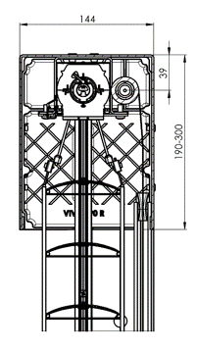
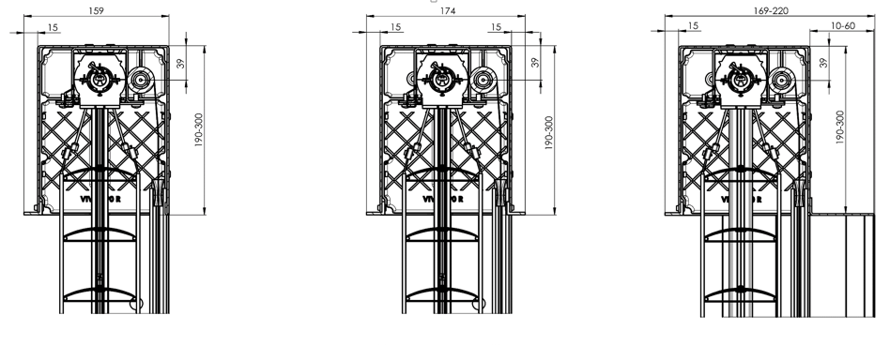
ISD214 | Isotra system DECORAL structure ISD214 | Decoral max. width is 4m.
ISD222 | Isotra system DECORAL structure ISD222 | Decoral max. width is 4m.
ISD500 | Isotra system DECORAL smooth ISD500 | Decoral max. width is 4m.
ISD510 | Isotra system DECORAL smooth ISD510 | Decoral max. width is 4m.
ISD600 | Isotra system DECORAL structure ISD600 | Decoral max. width is 4m.
ISD610 | Isotra system DECORAL structure ISD610 | Decoral max. width is 4m.
ISD620 | Isotra system DECORAL structure ISD620 | Decoral max. width is 4m.
ISD630 | Isotra system DECORAL structure ISD630 | Decoral max. width is 4m.
ISD640 | Isotra system DECORAL structure ISD640 | Decoral max. width is 4m.
ISD700 | Isotra system DECORAL blue bubbles ISD700 | Decoral max. width is 4m.
Xisd | Other ISD Decoral (discuss with your Sales Rep.) | Decoral max. width is 4m.

Blind bracket type
Abbreviation | Description | Note
0 | Without bracket
P002 | 20 Bracket Fe [P002]
P002/32 | 26 Bracket Fe Click [P002/32]

the size of the box (mm)
Abbreviation | Description | Note
190x140b | box square, without insulation 190x144 | for Viva only
220x140b | box square, without insulation 220x144 | for Viva only
260x140b | box square, without insulation 260x144 | for Viva only | box square, with internal insulation 15mm
300x140b | box square, without insulation 300x144 | for Viva only
190x150Lb | box square 1xL, without insulation 190x159 | for Viva only
220x150Lb | box square 1xL, without insulation 220x159 | for Viva only
260x150Lb | box square 1xL, without insulation 260x159 | for Viva only
300x150Lb | box square 1xL, without insulation 300x159 | for Viva only
190x160L2b | box square 2xL, without insulation 190x174 | for Viva only
220x160L2b | box square 2xL, without insulation 220x174 | for Viva only
260x160L2b | box square 2xL, without insulation 260x174 | for Viva only
...

