Instructions
Order form External Venetian Blinds VIVA - building preparation - Instructions

abbreviation 2 of producte
Abbreviation | Description | note
VIVA 4P | building preparation for VIVA

Product type
Abbreviation | Description | note
VIVA | Viva

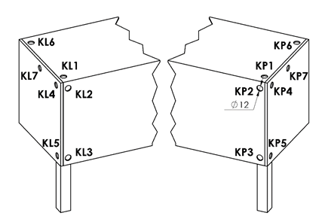
Control position |  |  | Control position - cable outlet
Abbreviation | Description | Note
K0 | MOTOR S, without cable outlet K0 | control position for Viva blinds, motor center
KL1 | MOTOR S, cable outlet KL1 | control position for Viva blinds, motor center
KL2 | MOTOR S, cable outlet KL2 | control position for Viva blinds, motor center
KL3 | MOTOR S, cable outlet KL3 | control position for Viva blinds, motor center
KL4 | MOTOR S, cable outlet KL4 | control position for Viva blinds, motor center
KL5 | MOTOR S, cable outlet KL5 | control position for Viva blinds, motor center
KL6 | MOTOR S, cable outlet KL6 | control position for Viva blinds, motor center
KL7 | MOTOR S, cable outlet KL7 | control position for Viva blinds, motor center
KP1 | MOTOR S, cable outlet KP1 | control position for Viva blinds, motor center
KP2 | MOTOR S, cable outlet KP2 | control position for Viva blinds, motor center
KP3 | MOTOR S, cable outlet KP3 | control position for Viva blinds, motor center
KP4 | MOTOR S, cable outlet KP4 | control position for Viva blinds, motor center
KP5 | MOTOR S, cable outlet KP5 | control position for Viva blinds, motor center
KP6 | MOTOR S, cable outlet KP6 | control position for Viva blinds, motor center
KP7 | MOTOR S, cable outlet KP7 | control position for Viva blinds, motor center

Head-rail material
Abbreviation | Description | Note
Fe | standard profile 56x58mm, mat.Fe

Head-rail color
Abbreviation | Description | Note
9006RAL | RAL grey (grey aluminium) 9006
9003RAL | RAL white (signal) 9003)
1001 | RAL yellow (beige) 1001
1003 | RAL yellow (signal yellow) 1003
1011 | RAL yellow (brown beige) 1011
1013 | RAL yellow (oyster white) 1013
1015 | RAL yellow (light ivory) 1015
3000 | RAL red (flame red) 3000
3002 | RAL red (carmine red) 3002
3003 | RAL red (ruby red) 3003
3004 | RAL red (special for slat 3004)
3005 | RAL red (wine red) 3005
3012 | RAL red (beige red) 3012
5002 | RAL blue (ultramarine blue) 5002
5005 | RAL blue (signal blue) 5005
5009 | RAL blue (azure blue) 5009
5011 | RAL blue (steel blue) 5011
5013 | RAL blue (cobalt blue) 5013
5018 | RAL blue (turquoise blue) 5018
6005 | RAL green (moss green) 6005
6009 | RAL green (fir green) 6009
6011 | RAL green (reseda green) 6011
6018 | RAL green (yellow green) 6018
6026 | RAL green (opal green) 6026
7001 | RAL grey (silver grey) 7001
7012 | RAL grey (basalt grey) 7012
7015 | RAL grey (slate grey) 7015
7016 | RAL grey (anthracite grey) 7016
7022 | RAL grey (umbra grey) 7022
7023 | RAL grey (concrete grey) 7023
7030 | RAL grey (stone grey) 7030
7035 | RAL grey (light grey) 7035
7036 | RAL grey (platinum grey) 7036
7038 | RAL grey (agate grey) 7038
7039 | RAL grey (quartz grey) 7039
7040 | RAL grey (window grey) 7040
7046 | RAL grey (telegrey 2) 7046
7047 | RAL grey (telegrey 4) 7047
7048 | RAL grey (pearl grey) 7048
8001 | RAL brown (ochre brown) 8001
8002 | RAL brown (signal brown) 8002
8003 | RAL brown (clay brown) 8003
8004 | RAL brown (copper brown) 8004
8007 | RAL brown (fawn brown) 8007
8011 | RAL brown (nut brown) 8011
8012 | RAL brown (red brown) 8012
8014 | RAL brown (sepia brown) 8014
8016 | RAL brown (mahogany brown) 8016
8019 | RAL brown (grey brown) 8019
8023 | RAL brown (orange brown) 8023
8028 | RAL brown (terra brown) 8028
9001 | RAL white (cream white) 9001
9004 | RAL black (signal black) 9004
9005 | RAL black (jet black) 9005
9007 | RAL grey (grey aluminium) 9007
9010 | RAL white 9010
9016 | RAL white (traffic white) 9016
9017 | RAL black (traffic black) 9017
9022 | RAL pearl (light grey) 9022
DB702 | RAL grey (for slat DB702)
DB703 | RAL grey (dark pearl) DB 703
VSR780 | RAL VSR780
7006 | RAL grey (running grey) 7006
7021 | RAL grey (black-grey) 7021
7024 | RAL grey (graphite) 7024
7016M | RAL grey (anthracite) matt 7016
9016M | RAL white (traffic) matt 9016
X | OTHER COLOUR (check with your Sales Rep.)
ISD110 | Isotra system DECORAL smooth ISD110 | Decoral max. width is 4m.
ISD120 | Isotra system DECORAL smooth ISD120 | Decoral max. width is 4m.
ISD130 | Isotra system DECORAL smooth ISD130 | Decoral max. width is 4m.
ISD140 | Isotra system DECORAL smooth ISD140 | Decoral max. width is 4m.
ISD150 | Isotra system DECORAL smooth ISD150 | Decoral max. width is 4m.
ISD160 | Isotra system DECORAL smooth ISD160 | Decoral max. width is 4m.
ISD210 | Isotra system DECORAL structure ISD210 | Decoral max. width is 4m.
ISD220 | Isotra system DECORAL structure ISD220 | Decoral max. width is 4m.
ISD230 | Isotra system DECORAL structure ISD230 | Decoral max. width is 4m.
ISD310 | Isotra system DECORAL polish ISD310 | Decoral max. width is 4m.
ISD152 | Isotra system DECORAL smooth ISD152 | Decoral max. width is 4m.
ISD154 | Isotra system DECORAL smooth ISD154 | Decoral max. width is 4m.
ISD200 | Isotra system DECORAL structure ISD200 | Decoral max. width is 4m.
ISD212 | Isotra system DECORAL structure ISD212 | Decoral max. width is 4m.
ISD214 | Isotra system DECORAL structure ISD214 | Decoral max. width is 4m.
ISD222 | Isotra system DECORAL structure ISD222 | Decoral max. width is 4m.
ISD500 | Isotra system DECORAL smooth ISD500 | Decoral max. width is 4m.
ISD510 | Isotra system DECORAL smooth ISD510 | Decoral max. width is 4m.
ISD600 | Isotra system DECORAL structure ISD600 | Decoral max. width is 4m.
ISD610 | Isotra system DECORAL structure ISD610 | Decoral max. width is 4m.
ISD620 | Isotra system DECORAL structure ISD620 | Decoral max. width is 4m.
ISD630 | Isotra system DECORAL structure ISD630 | Decoral max. width is 4m.
ISD640 | Isotra system DECORAL structure ISD640 | Decoral max. width is 4m.
ISD700 | Isotra system DECORAL blue bubbles ISD700 | Decoral max. width is 4m.
Xisd | Other ISD Decoral (discuss with your Sales Rep.) | Decoral max. width is 4m.

Guiding type
Abbreviation | Description | Note
VL | plastic guiding pins
VK | metal guiding pins

Guiding left/right
Abbreviation | Description | Note
P 020/00vrO | Guiding channels P020/00 (76mm) drilled for lining (-34) | standard
P 020/00vrR | Guiding channels P020/00 (76mm) drilled for frame (-34) | standard
P 020/01vrO | Guiding channels P020/01 (86mm) drilled for lining (-34)
P 020/01vrR | Guiding channels P020/01 (86mm) drilled for frame (-34)
P 020/02vrO | Guiding channels P020/02 (96mm) drilled for lining (-34)
P 020/02vrR | Guiding channels P020/02 (96mm) drilled for frame (-34)
P 020/03vrO | Guiding channels P020/03 (106mm) drilled for lining (-34)
P 020/03vrR | Guiding channels P020/03 (106mm) drilled for frame (-34)
P 020/04vrO | Guiding channels P020/04 (116mm) drilled for lining (-34)
P 020/04vrR | Guiding channels P020/04 (116mm) drilled for frame (-34)
P 020/05vrO | Guiding channels P020/05 (126mm) drilled for lining (-34)
P 020/05vrR | Guiding channels P020/05 (126mm) drilled for frame (-34)
P 020/06vrO | Guiding channels P020/06 (136mm) drilled for lining (-34)
P 020/06vrR | Guiding channels P020/06 (136mm) drilled for frame (-34)
P 020/07vrO | Guiding channels P020/07 (146mm) drilled for lining (-34)
P 020/07vrR | Guiding channels P020/07 (146mm) drilled for frame (-34)
P 020/08vrO | Guiding channels P020/08 (156mm) drilled for lining (-34)
P 020/08vrR | Guiding channels P020/08 (156mm) drilled for frame (-34)
P 020/09vrO | Guiding channels P020/09 (166mm) drilled for lining (-34)
P 020/09vrR | Guiding channels P020/09 (166mm) drilled for frame (-34)
P 020/10vrO | Guiding channels P020/10 (176mm) drilled for lining (-34)
...
Guiding color left/right
ISD150 | Isotra system DECORAL smooth ISD150 | Decoral max. width is 4m.
ISD160 | Isotra system DECORAL smooth ISD160 | Decoral max. width is 4m.
ISD210 | Isotra system DECORAL structure ISD210 | Decoral max. width is 4m.
ISD220 | Isotra system DECORAL structure ISD220 | Decoral max. width is 4m.
ISD230 | Isotra system DECORAL structure ISD230 | Decoral max. width is 4m.
ISD310 | Isotra system DECORAL polish ISD310 | Decoral max. width is 4m.
ISD152 | Isotra system DECORAL smooth ISD152 | Decoral max. width is 4m.
ISD154 | Isotra system DECORAL smooth ISD154 | Decoral max. width is 4m. | Box - for Viva only
ISD200 | Isotra system DECORAL structure ISD200 | Decoral max. width is 4m.
ISD212 | Isotra system DECORAL structure ISD212 | Decoral max. width is 4m. | box square, without insulation | box square, 1xL without insulation | box square, 2xL without insulation
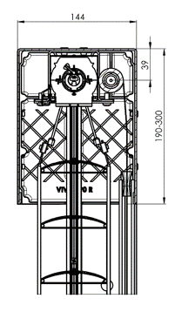
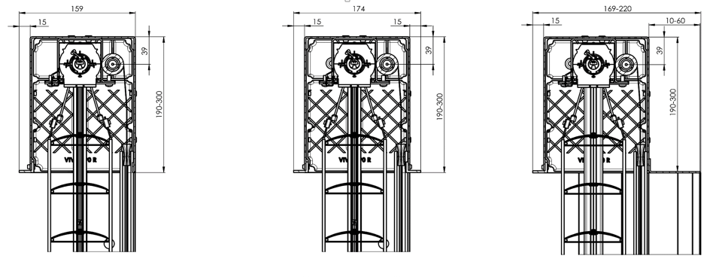
ISD214 | Isotra system DECORAL structure ISD214 | Decoral max. width is 4m.
ISD222 | Isotra system DECORAL structure ISD222 | Decoral max. width is 4m.
ISD500 | Isotra system DECORAL smooth ISD500 | Decoral max. width is 4m.
ISD510 | Isotra system DECORAL smooth ISD510 | Decoral max. width is 4m.
ISD600 | Isotra system DECORAL structure ISD600 | Decoral max. width is 4m.
ISD610 | Isotra system DECORAL structure ISD610 | Decoral max. width is 4m.
ISD620 | Isotra system DECORAL structure ISD620 | Decoral max. width is 4m.
ISD630 | Isotra system DECORAL structure ISD630 | Decoral max. width is 4m.
ISD640 | Isotra system DECORAL structure ISD640 | Decoral max. width is 4m.
ISD700 | Isotra system DECORAL blue bubbles ISD700 | Decoral max. width is 4m.
Xisd | Other ISD Decoral (discuss with your Sales Rep.) | Decoral max. width is 4m.

Blind bracket type
Abbreviation | Description | Note
0 | Without bracket
P002 | 20 Bracket Fe [P002]
P002/32 | 26 Bracket Fe Click [P002/32]

the size of the box (mm)
Abbreviation | Description | Note
190x140b | box square, without insulation 190x144 | for Viva only
220x140b | box square, without insulation 220x144 | for Viva only
260x140b | box square, without insulation 260x144 | for Viva only | box square, with internal insulation 15mm
300x140b | box square, without insulation 300x144 | for Viva only
190x150Lb | box square 1xL, without insulation 190x159 | for Viva only
220x150Lb | box square 1xL, without insulation 220x159 | for Viva only
260x150Lb | box square 1xL, without insulation 260x159 | for Viva only
300x150Lb | box square 1xL, without insulation 300x159 | for Viva only
190x160L2b | box square 2xL, without insulation 190x174 | for Viva only
220x160L2b | box square 2xL, without insulation 220x174 | for Viva only
260x160L2b | box square 2xL, without insulation 260x174 | for Viva only
...

