EVB
ISOTRA a.s. |  |  |  |  |  |  |  | ISOTRA a.s. |  |  |  |  |  |  | ISOTRA a.s.
Bílovecká 2411/1, 746 01 Opava |  | TEL.: +420 553 685 101 |  | FAX: +420 553 685 110 |  | www.isotra.cz |  | Bílovecká 2411/1, 746 01 Opava | TEL.: +420 553 685 101 |  | FAX: +420 553 685 110 | www.isotra.cz |  |  | Bílovecká 2411/1, 746 01 Opava | TEL.: +420 553 685 101 |  | FAX: +420 553 685 110 | www.isotra.cz
Order form External Venetian Blinds |  |  |  |  |  |  | 1/3 | Order form External Venetian Blinds |  |  |  |  |  | 2/3 | Order form External Venetian Blinds |  |  |  |  |  | 3/3
EVB Cetta, Setta a Zetta - shaped blinds |  |  |  |  |  |  |  | EVB Cetta, Setta a Zetta - shaped blinds |  |  |  |  |  |  | EVB Cetta, Setta a Zetta - shaped blinds

Order |  |  |  |  | Customer:
Order No.: |  |  |  |  | VAT:

Order date: |  |  |  |  | Invoice address:

Telephone:
 |  |  |  |  | Delivery address:
Dispatch date:

Position | 1
Quantity | 2
Product abbreviation 2 | 3
Width (mm) | 4
Height (mm) | 5
Product type | 6
Slat type | 7
Form of shaped blinds | 8
Slat color | 9
Ladder cord | 10
DUO height (mm) | 11
Order of connected blinds | 12
Control position | 13
Control type | 14
Control length (mm) | 15
Kardan length (mm) | 16
Bushing rod length (mm) | 17
Gearing type | 18
Gearing axis (mm) | 19
Crank handle color | 20
Head-rail material | 21
Head-rail length difference L (mm) | 22
Head-rail length difference P (mm) | 23
Head-rail color | 24
Bottom-rail color | 25
Guiding type | 26
Left guiding | 27
Left guiding - color | 28
Left guiding - bracket type | 29
Left guiding - bracket color | 30
Right guiding | 31
Right guiding - color | 32
Right guiding - bracket type | 33
Right guiding - bracket color | 34
Blind bracket type | 35
Front cover size "A" (mm) | 36
Additional wire guiding | 37
Additional w. guiding - bracket | 38
Additional w. guiding - bracket color | 39
Packing | 40
Additional w. guiding axis L1 (mm) | 41
Additional w. guiding axis L2 (mm) | 42
Additional w. guiding axis L3 (mm) | 43
Dimension "B" (mm) | 44
Dimension "B1" (mm) | 45
Dimension "C" (mm) | 46
Note | 47

General business terms and Complaint Procedure terms are expressly valid for mutual business between Isotra a.s. and the customer. All terms are available here: |  |  |  |  |  |  |  | General business terms and Complaint Procedure terms are expressly valid for mutual business between Isotra a.s. and the customer. All terms are available here: |  |  |  |  |  |  | General business terms and Complaint Procedure terms are expressly valid for mutual business between Isotra a.s. and the customer. All terms are available here:
http://www.isotra.com/complaint-procedure |  |  | http://www.isotra.com/general-business-terms |  |  |  | Valid from 06.11.2025. | http://www.isotra.com/complaint-procedure |  | http://www.isotra.com/general-business-terms |  |  | Valid from 06.11.2025. |  | http://www.isotra.com/complaint-procedure |  | http://www.isotra.com/general-business-terms |  |  | Valid from 06.11.2025.
ISOTRA a.s.
Bílovecká 2411/1, 746 01 Opava |  | TEL.: +420 553 685 101 |  | FAX: +420 553 685 110 |  | www.isotra.cz
Order form EVB - Explanatory notes

Form of shaped blinds | 8 | Select the type of shaped blinds, see the "instructions" sheet.

Gearing axis (mm) | 19 | 0 - axis of gearing hole matches the outside head rail edge, for wire guiding it matches edge of slat. For gearing insertion input the value with - sign. For gearing extension input the value with + sign.

Head-rail length difference L (mm) | 22 | For extended head-rail enter the length of extension with + sign. For shorter head-rail just enter the figure with - sign.

Head-rail length difference P (mm) | 23 | For extended head-rail enter the length of extension with + sign. For shorter head-rail just enter the figure with - sign.

Front cover size "A" (mm) | 36 | Enter front cover size A. Necessary for blind bracket extension type.

Additional w. guiding axis L1 (mm) | 41 | Enter the distance of the first additional wire axis measured from the left side from interior view

Additional w. guiding axis L2 (mm) | 42 | Enter the distance of the second additional wire axis measured from the left side from interior view

Additional w. guiding axis L3 (mm) | 43 | Enter the distance of the third additional wire axis measured from the left side from interior view
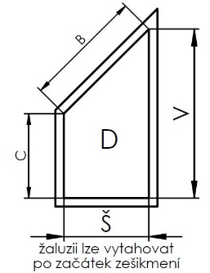
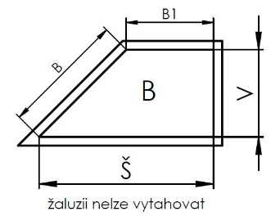
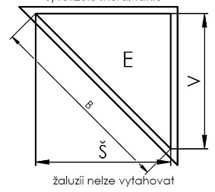
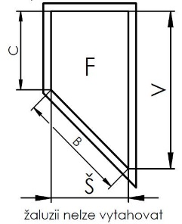
Dimension "B" (mm) | 44 | Enter dimension "B" in mm

Dimension "B1" (mm) | 45 | Enter dimension "B1" in mm

Dimension "C" (mm) | 46 | Enter dimension "C" in mm

General business terms and Complaint Procedure terms are expressly valid for mutual business between Isotra a.s. and the customer. All terms are available here:
http://www.isotra.com/complaint-procedure |  |  | http://www.isotra.com/general-business-terms |  |  |  | Valid from 06.11.2025.

