CORNER
ISOTRA a.s. |  |  |  |  |  |  |  | ISOTRA a.s. |  |  |  |  |  |  | ISOTRA a.s.
Bílovecká 2411/1, 746 01 Opava |  | TEL.: +420 553 685 101 |  | FAX: +420 553 685 110 |  | www.isotra.cz |  | Bílovecká 2411/1, 746 01 Opava | TEL.: +420 553 685 101 |  | FAX: +420 553 685 110 | www.isotra.cz |  |  | Bílovecká 2411/1, 746 01 Opava | TEL.: +420 553 685 101 |  | FAX: +420 553 685 110 | www.isotra.cz
Order form External Venetian Blinds |  |  |  |  |  |  | 1/3 | Order form External Venetian Blinds |  |  |  |  |  | 2/3 | Order form External Venetian Blinds |  |  |  |  |  | 3/3
EVB Corner |  |  |  |  |  |  |  | EVB Corner |  |  |  |  |  |  | EVB Corner

Order |  |  |  |  | Customer:
Order No.: |  |  |  |  | VAT:

Order date: |  |  |  |  | Invoice address:

Telephone:
 |  |  |  |  | Delivery address:
Dispatch date:

Position | 1
Quantity | 2
Product abbreviation 2 | 3
Width (mm) | 4
Height (mm) | 5
Product type | 6
Slat type | 7
Slat color | 8
Ladder cord | 9
DUO height (mm) | 10
Order of connected blinds | 11
Control position | 12
Control type | 13
Control length (mm) | 14
Kardan length (mm) | 15
Bushing rod length (mm) | 16
Gearing type | 17
Gearing axis (mm) | 18
Crank handle color | 19
Head-rail material | 20
Head-rail length difference L (mm) | 21
Head-rail length difference P (mm) | 22
Head-rail color | 23
Bottom-rail color | 24
Guiding type | 25
Left guiding | 26
Left guiding - color | 27
Left guiding - bracket type | 28
Left guiding - bracket color | 29
Right guiding | 30
Right guiding - color | 31
Right guiding - bracket type | 32
Right guiding - bracket color | 33
Blind bracket type | 34
Front cover size "A" (mm) | 35
Additional wire guiding | 36
Additional w. guiding - bracket | 37
Additional w. guiding - bracket color | 38
Packing | 39
Additional w. guiding axis L1 (mm) | 40
Additional w. guiding axis L2 (mm) | 41
Additional w. guiding axis L3 (mm) | 42
Note | 43

General business terms and Complaint Procedure terms are expressly valid for mutual business between Isotra a.s. and the customer. All terms are available here: |  |  |  |  |  |  |  | General business terms and Complaint Procedure terms are expressly valid for mutual business between Isotra a.s. and the customer. All terms are available here: |  |  |  |  |  |  | General business terms and Complaint Procedure terms are expressly valid for mutual business between Isotra a.s. and the customer. All terms are available here:
http://www.isotra.com/complaint-procedure |  |  | http://www.isotra.com/general-business-terms |  |  |  | Valid from 03.03.2025. | http://www.isotra.com/complaint-procedure |  | http://www.isotra.com/general-business-terms |  |  | Valid from 03.03.2025. |  | http://www.isotra.com/complaint-procedure |  | http://www.isotra.com/general-business-terms |  |  | Valid from 03.03.2025.
ISOTRA a.s.
Bílovecká 2411/1, 746 01 Opava |  | TEL.: +420 553 685 101 |  | FAX: +420 553 685 110 |  | www.isotra.cz
Order form EVB - Explanatory notes

Order of connected blinds | 11 | Choose one option from sheet "Instructions". Order is entered from left to right from interior view. N/A for sloped blinds.

Head-rail length difference L (mm) | 21 | For extended head-rail enter the length of extension with + sign. For shorter head-rail just enter the figure with - sign.

Head-rail length difference P (mm) | 22 | For extended head-rail enter the length of extension with + sign. For shorter head-rail just enter the figure with - sign.

Front cover size "A" (mm) | 35 | Enter front cover size A. Necessary for blind bracket extension type.

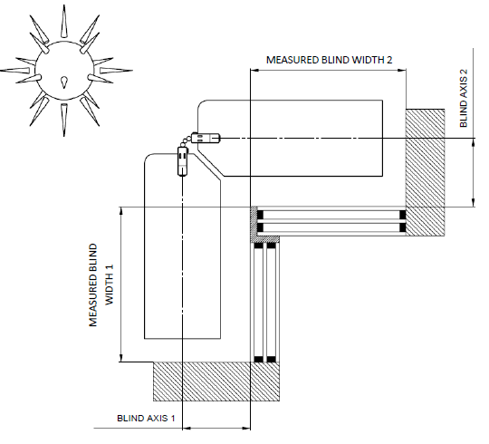
Note | 43 | Enter the blind axis in mm
 |  | Outside corner

 |  | Inside corner
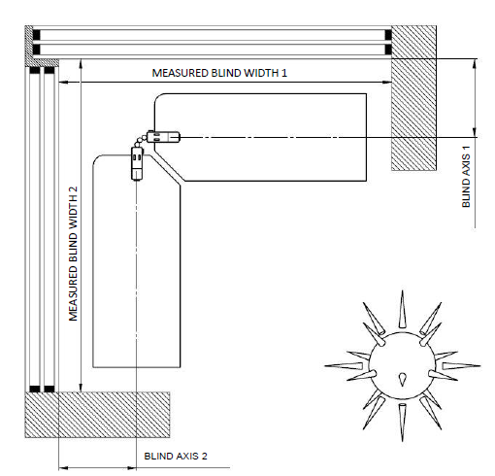

General business terms and Complaint Procedure terms are expressly valid for mutual business between Isotra a.s. and the customer. All terms are available here:
http://www.isotra.com/complaint-procedure |  |  | http://www.isotra.com/general-business-terms |  |  |  | Valid from 03.03.2025.

