Pergola
ISOTRA a.s.
Bílovecká 2411/1, 746 01 Opava |  |  |  |  |  |  |  |  |  |  | TEL.: +420 553 685 101 |  |  |  | FAX: +420 553 685 110 |  |  |  |  |  |  |  |  |  |  |  |  |  |  |  |  |  |  |  |  |  |  |  |  |  |  | www.isotra.cz
Order form Pergola
Pergola ARTOSI

Order |  |  |  |  |  |  |  |  |  |  | Customer
Order No.: |  |  |  |  |  |  |  |  |  |  | Name:
 |  |  |  |  |  |  |  |  |  |  | VAT:
Order date. |  |  |  |  |  |  |  |  |  |  | Invoice address:

Telephone:
 |  |  |  |  |  |  |  |  |  |  | Delivery address:
Dispatch date.

Position | Quantity | Product code | Product type | Mounting type | Width (mm) | Length = ejection (mm) | Color of coated components | Slats color | Tilt direction of the slats | Access point and number of motors | Motor type | Auxiliary access point | Frame anchoring | Pole type | Pole A1. | Pole A1 - dimension "H" (mm) | Pole A1 - axis shift (mm) | Pole A1 - location of rain outfall | Pole A3. | Pole A3 - dimension "H" (mm) | Pole A3 - axis shift (mm) | Pole A3 - location of rain outfall | Pole C1. | Pole C1 - dimension "H" (mm) | Pole C1 - axis shift (mm) | Pole C1 - location of rain outfall | Pole C3. | Pole C3 - dimension "H" (mm) | Pole C3 - axis shift (mm) | Pole C3 - location of rain outfall | Pole (additional) A2. | Pole A2 - dimension "H" (mm) | Pole A2 - axis shift (mm) | Pole A2 - location of rain outfall | Pole (additional) C2 | Pole C2 - dimension "H" (mm) | Pole C2 - axis shift (mm) | Pole C2 - location of rain outfall | Number of slats in the 2nd section | LED lighting | Lighting location | Packing
1 | 2 | 3 | 4 | 5 | 6 | 7 | 8 | 9 | 10 | 11 | 12 | 13 | 14 | 15 | 16 | 17 | 18 | 19 | 20 | 21 | 22 | 23 | 24 | 25 | 26 | 27 | 28 | 29 | 30 | 31 | 32 | 33 | 34 | 35 | 36 | 37 | 38 | 39 | 40 | 41 | 42 | 43

Note:

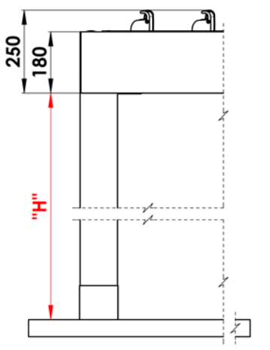
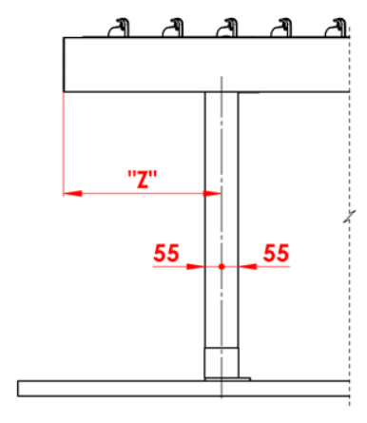
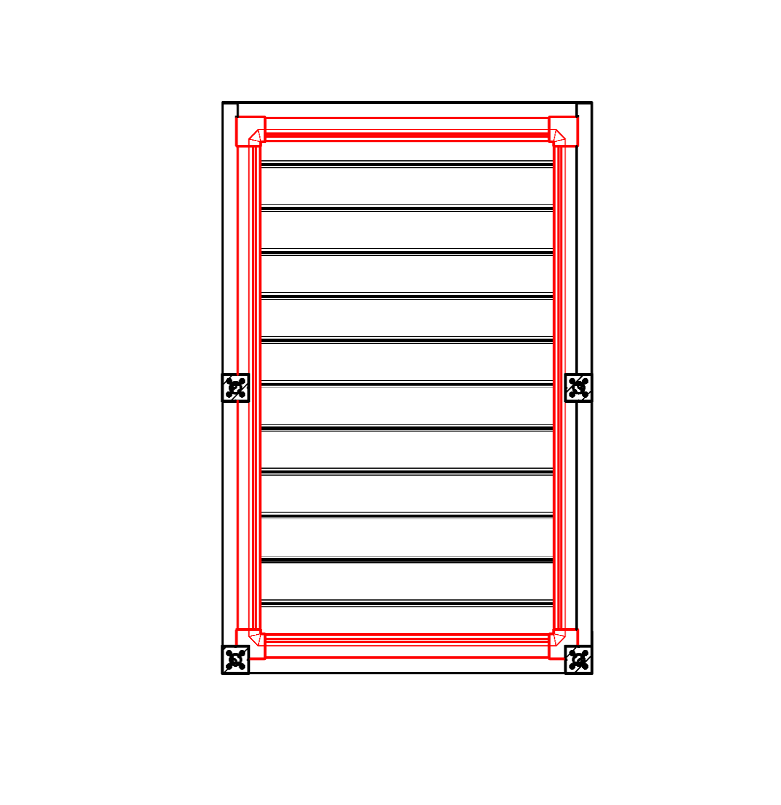
Note
16/ dimension "H" 500 - 3000mm |  |  |  |  |  |  | S - width |  |  |  |  |  |  |  |  |  | Passage heigt "H" |  |  |  |  | Move the pole along the length |  |  |  |  |  |  |  |  |  | Rain outfall around the perimeter
17/ axis shift = 0mm; or in dimension 255 - 1055mm length shift, in dimension 255 - 555mm width shift |  |  |  |  |  |  | L - length

Recommended number of rain outfall:
to 12m² pergola area - 1pc rain outfall
over 12m² pergola area - 2pcs rain outfalls
over 24m² pergola area- we recommend 3pcs rain out falls

Note
Overlay profiles are ordered separately.
The cover profile PK_05 cannot be combined with sealing brushes.
For technological reasons, it is not possible to repaint any profile.

 |  |  |  |  |  |  |  |  |  |  |  |  |  |  |  |  | Location of rain outfall in the pole

General business terms and Complaint Procedure terms are expressly valid for mutual business between Isotra a.s. and the customer. All terms are available here:
Valid from: 10.12.2025.

Instructions
Order form Pergola

Product code
abbreviation | name | note | Mounting type
ARTOSI | ARTOSI

Product type |  |  |  | Typ A
abbreviation | name | note
ARTOSI

Mounting type
abbreviation | name | note
A | Type A
B | Type B
D | Type D

Color of coated components
abbreviation | name | note
9010M | RAL white 9010 matte | standard
9010S | RAL white 9010 Structure | standard
9006RAL | RAL silver 9006 | standard
9006S | RAL silver 9006 Structure | standard
9007RAL | RAL grey (grey aluminium) 9007 | standard
9007S | RAL grey (grey aluminium) 9007 Structure | standard
8014M | RAL brown ( sepia ) 8014 matte | standard
8014S | RAL brown ( sepia ) 8014 Structure | standard
7016M | RAL grey (anthtacite) 7016 matte | standard
7016S | RAL grey ( anthracite ) 7016 Structure | standard
DB702 | RAL grey (special for slat DB702) | standard
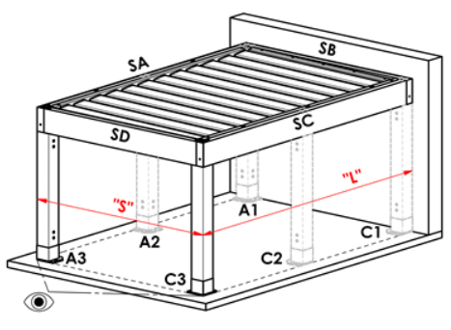
DB703 | RAL grey (dark pearl) DB 703 | standard |  | Typ B
1003RAL | RAL yellow (signal yellow) 1003
1013RAL | RAL yellow (oyster white) 1013
1015RAL | RAL yellow (ivory) 1015
3000RAL | RAL red (fire) 3000
3005RAL | RAL red (wine) 3005
5005RAL | RAL blue (signal) 5005
5009RAL | RAL blue (cyan) 5009
5011RAL | RAL blue (steel blue) 5011
5014RAL | RAL blue (grey) 5014
6005RAL | RAL green ( moss ) 6005
7001RAL | RAL grey ( silver ) 7001
7009RAL | RAL grey ( grass ) 7009
7015RAL | RAL grey (slate) 7015
7021RAL | RAL grey ( black-grey ) 7021
7024RAL | RAL grey ( graphite ) 7024
7035RAL | RAL grey ( light-grey ) 7035
8003RAL | RAL brown ( clay ) 8003
8011RAL | RAL brown ( nut ) 8011
8012RAL | RAL brown ( red-brown ) 8012
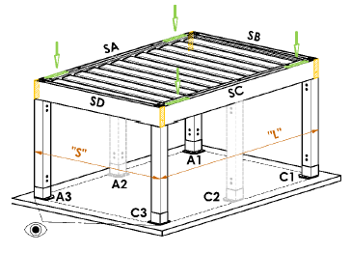
8014RAL | RAL brown ( sepia ) 8014
8017RAL | RAL brown ( chocolate ) 8017
8019RAL | RAL brown ( grey-brown ) 8019
9001RAL | RAL bílá ( creamy ) 9001 |  |  | Typ D
9003RAL | RAL white 9003
9005RAL | RAL black ( dark black) 9005
9010RAL | RAL white 9010
1001RAL | RAL 1001 Beige
1011RAL | RAL 1011 Brown beige
3002RAL | RAL 3002 Carmine red
3003RAL | RAL 3003 Ruby red
3004RAL | RAL 3004 Purple red
3012RAL | RAL 3012 Beige red
5002RAL | RAL 5002 Ultramarine blue
5013RAL | RAL 5013 Cobalt blue
5018RAL | RAL 5018 Turquoise blue
6009RAL | RAL 6009 Fir green
6011RAL | RAL 6011 Reseda green
6018RAL | RAL 6018 Yellow green
6026RAL | RAL 6026 Opal green
7006RAL | RAL 7006 Beige grey
7016RAL | RAL grey (anthtacite) 7016
7022RAL | RAL 7022 Umbra grey
7023RAL | RAL 7023 Concrete grey
7030RAL | RAL 7030 Stone grey
7036RAL | RAL 7036 Platinum grey
7038RAL | RAL 7038 Agate grey
7040RAL | RAL 7040 Window grey
7046RAL | RAL 7046 Telegrey 2
7047RAL | RAL 7047 Telegrey 4
7048RAL | RAL 7048 Pearl mouse grey
8001RAL | RAL 8001 Ochre brown
8002RAL | RAL 8002 Signal brown
8004RAL | RAL 8004 Copper brown
8007RAL | RAL 8007 Fawn brown
8016RAL | RAL 8016 Mahogany brown
8023RAL | RAL 8023 Orange brown
8028RAL | RAL 8028 Terra brown
9002RAL | RAL 9002 Grey white
9004RAL | RAL 9004 Signal black
9016M | RAL white (Traffic white) MATT 9016
9016RAL | RAL 9016 Traffic white
9017RAL | RAL 9017 Traffic black
9022RAL | RAL 9022 Pearl light grey
VSR780 | RAL VSR 780
7012RAL | RAL 7012 Basalt grey
7039RAL | RAL 7039 Quartz grey
X | other colour according to the RAL sampler

Slats color
abbreviation | name | note
9010M | RAL white 9010 matte | standard
9010S | RAL white 9010 Structure | standard
9006RAL | RAL silver 9006 | standard
9006S | RAL silver 9006 Structure | standard
9007RAL | RAL grey (grey aluminium) 9007 | standard
9007S | RAL grey (grey aluminium) 9007 Structure | standard
8014M | RAL brown ( sepia ) 8014 matte | standard
8014S | RAL brown ( sepia ) 8014 Structure | standard
7016M | RAL grey (anthtacite) 7016 matte | standard
7016S | RAL grey ( anthracite ) 7016 Structure | standard
DB702 | RAL grey (special for slat DB702) | standard
DB703 | RAL grey (dark pearl) DB 703 | standard
1003RAL | RAL yellow (signal yellow) 1003
1013RAL | RAL yellow (oyster white) 1013
1015RAL | RAL yellow (ivory) 1015
3000RAL | RAL red (fire) 3000
3005RAL | RAL red (wine) 3005
5005RAL | RAL blue (signal) 5005
5009RAL | RAL blue (cyan) 5009
5011RAL | RAL blue (steel blue) 5011
5014RAL | RAL blue (grey) 5014
6005RAL | RAL green ( moss ) 6005
7001RAL | RAL grey ( silver ) 7001
7009RAL | RAL grey ( grass ) 7009
7015RAL | RAL grey (slate) 7015
7021RAL | RAL grey ( black-grey ) 7021
7024RAL | RAL grey ( graphite ) 7024
7035RAL | RAL grey ( light-grey ) 7035
8003RAL | RAL brown ( clay ) 8003
8011RAL | RAL brown ( nut ) 8011
8012RAL | RAL brown ( red-brown ) 8012
8014RAL | RAL brown ( sepia ) 8014
8017RAL | RAL brown ( chocolate ) 8017
8019RAL | RAL brown ( grey-brown ) 8019
9001RAL | RAL bílá ( creamy ) 9001
9003RAL | RAL white 9003
9005RAL | RAL black ( dark black) 9005
9010RAL | RAL white 9010
1001RAL | RAL 1001 Beige
1011RAL | RAL 1011 Brown beige
3002RAL | RAL 3002 Carmine red
3003RAL | RAL 3003 Ruby red
3004RAL | RAL 3004 Purple red
3012RAL | RAL 3012 Beige red
5002RAL | RAL 5002 Ultramarine blue
5013RAL | RAL 5013 Cobalt blue
5018RAL | RAL 5018 Turquoise blue
6009RAL | RAL 6009 Fir green
6011RAL | RAL 6011 Reseda green
6018RAL | RAL 6018 Yellow green
6026RAL | RAL 6026 Opal green
7006RAL | RAL 7006 Beige grey
7016RAL | RAL grey (anthtacite) 7016
7022RAL | RAL 7022 Umbra grey
7023RAL | RAL 7023 Concrete grey
7030RAL | RAL 7030 Stone grey
7036RAL | RAL 7036 Platinum grey
7038RAL | RAL 7038 Agate grey
7040RAL | RAL 7040 Window grey
7046RAL | RAL 7046 Telegrey 2
7047RAL | RAL 7047 Telegrey 4
7048RAL | RAL 7048 Pearl mouse grey
8001RAL | RAL 8001 Ochre brown
8002RAL | RAL 8002 Signal brown
8004RAL | RAL 8004 Copper brown
8007RAL | RAL 8007 Fawn brown |  | Tilt direction of the slats
8016RAL | RAL 8016 Mahogany brown
8023RAL | RAL 8023 Orange brown |  |  | view direction "A" |  |  |  | view direction "B"
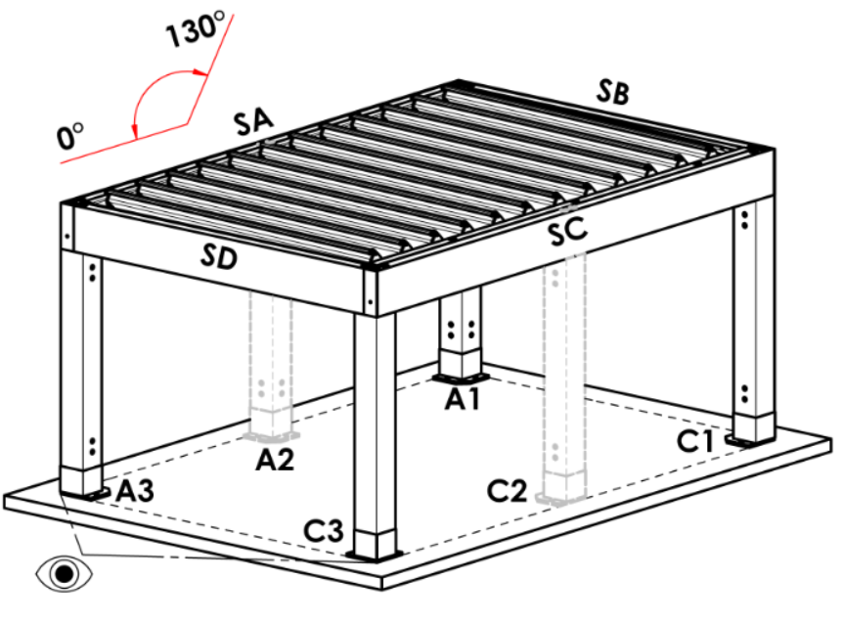
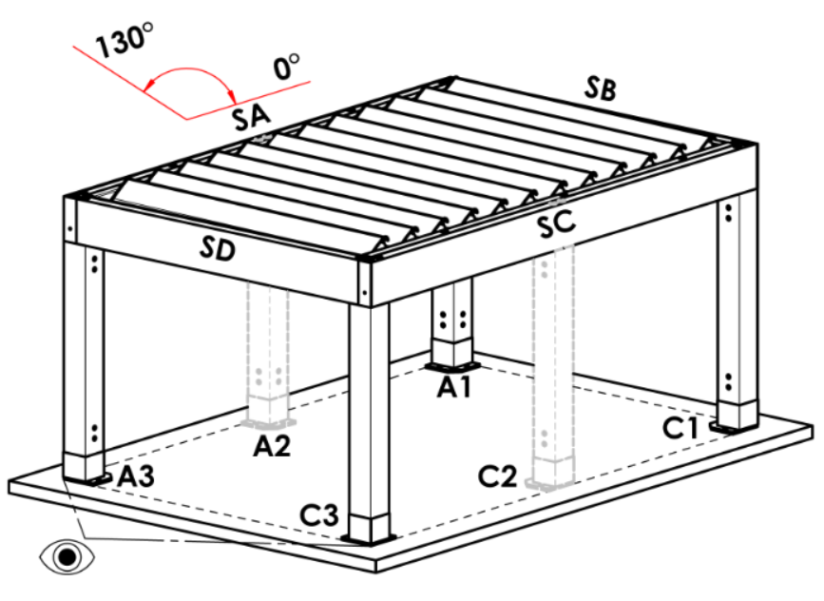
8028RAL | RAL 8028 Terra brown
9002RAL | RAL 9002 Grey white
9004RAL | RAL 9004 Signal black
9016M | RAL white (Traffic white) MATT 9016
9016RAL | RAL 9016 Traffic white
9017RAL | RAL 9017 Traffic black
9022RAL | RAL 9022 Pearl light grey
VSR780 | RAL VSR 780
7012RAL | RAL 7012 Basalt grey
7039RAL | RAL 7039 Quartz grey
X | other colour according to the RAL sampler
ISD110 | Isotra system DECORAL smooth ISD110 | Decoral max. width is 4,5m.
ISD120 | Isotra system DECORAL smooth ISD120 | Decoral max. width is 4,5m.
ISD130 | Isotra system DECORAL smooth ISD130 | Decoral max. width is 4,5m.
ISD140 | Isotra system DECORAL smooth ISD140 | Decoral max. width is 4,5m.
ISD150 | Isotra system DECORAL smooth ISD150 | Decoral max. width is 4,5m.
ISD160 | Isotra system DECORAL smooth ISD160 | Decoral max. width is 4,5m.
ISD210 | Isotra system DECORAL structure ISD210 | Decoral max. width is 4,5m.
ISD220 | Isotra system DECORAL structure ISD220 | Decoral max. width is 4,5m.
ISD230 | Isotra system DECORAL structure ISD230 | Decoral max. width is 4,5m.
ISD310 | Isotra system DECORAL polish ISD310 | Decoral max. width is 4,5m.
ISD152 | Isotra system DECORAL smooth ISD152 | Decoral max. width is 4,5m.
ISD154 | Isotra system DECORAL smooth ISD154 | Decoral max. width is 4,5m.
ISD200 | Isotra system DECORAL structure ISD200 | Decoral max. width is 4,5m.
ISD212 | Isotra system DECORAL structure ISD212 | Decoral max. width is 4,5m.
ISD214 | Isotra system DECORAL structure ISD214 | Decoral max. width is 4,5m.
ISD222 | Isotra system DECORAL structure ISD222 | Decoral max. width is 4,5m.
ISD500 | Isotra system DECORAL smooth ISD500 | Decoral max. width is 4,5m.
ISD510 | Isotra system DECORAL smooth ISD510 | Decoral max. width is 4,5m.
ISD600 | Isotra system DECORAL structure ISD600 | Decoral max. width is 4,5m.
ISD610 | Isotra system DECORAL structure ISD610 | Decoral max. width is 4,5m.
ISD620 | Isotra system DECORAL structure ISD620 | Decoral max. width is 4,5m.
ISD630 | Isotra system DECORAL structure ISD630 | Decoral max. width is 4,5m.
ISD640 | Isotra system DECORAL structure ISD640 | Decoral max. width is 4,5m.
ISD700 | Isotra system DECORAL blue bubbles ISD700 | Decoral max. width is 4,5m.
Xisd | OTHER ISD (check with your Sales Rep.) | Decoral max. width is 4,5m.
7016S/9010S | the upper part 7016S / the lower part 9010S
7016S/9016S | the upper part 7016S / the lower part 9016S
7016S/9006S | the upper part 7016S / the lower part 9006S
7016S/9007S | the upper part 7016S / the lower part 9007S
DB703S/9010S | the upper part DB703S / the lower part 9010S
DB703S/9016S | the upper part DB703S / the lower part 9016S
DB703S/9006S | the upper part DB703S / the lower part 9006S
DB703S/9007S | the upper part DB703S / the lower part 9007S

Tilt direction of the slats
abbreviation | name | note
A | view direction "A"
B | view direction "B"

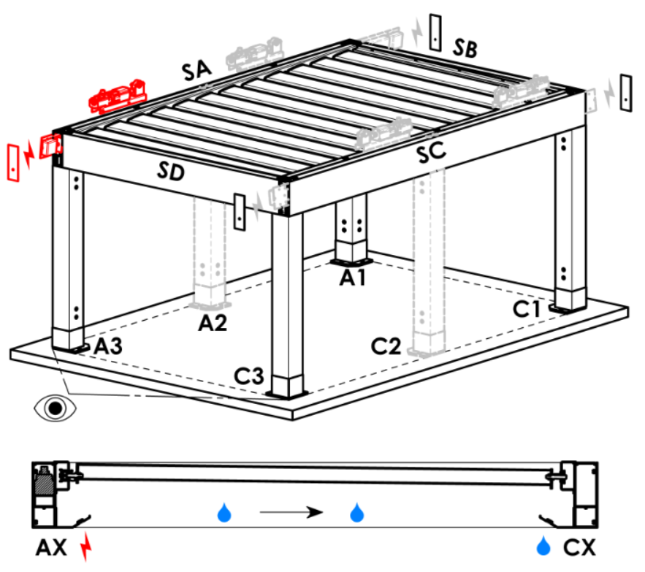
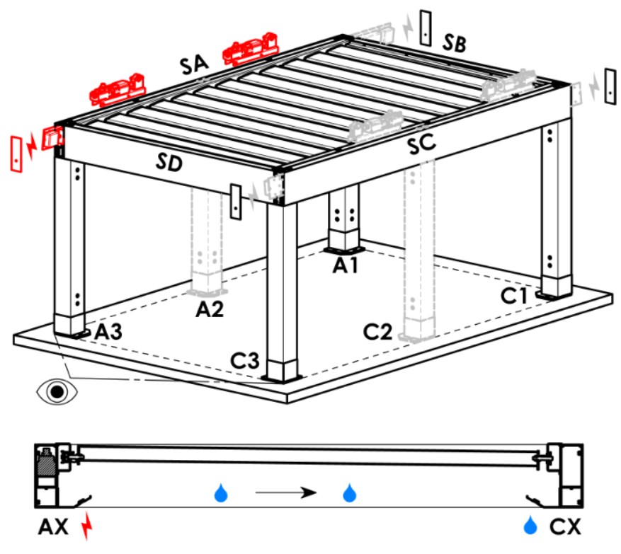
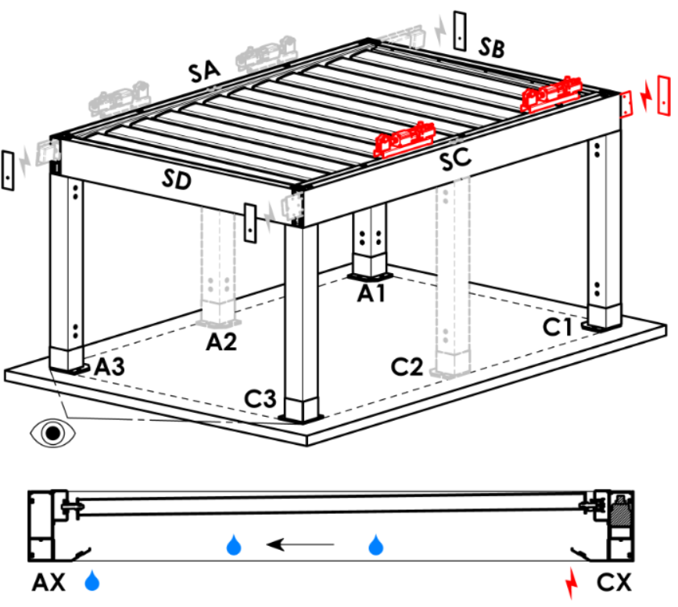
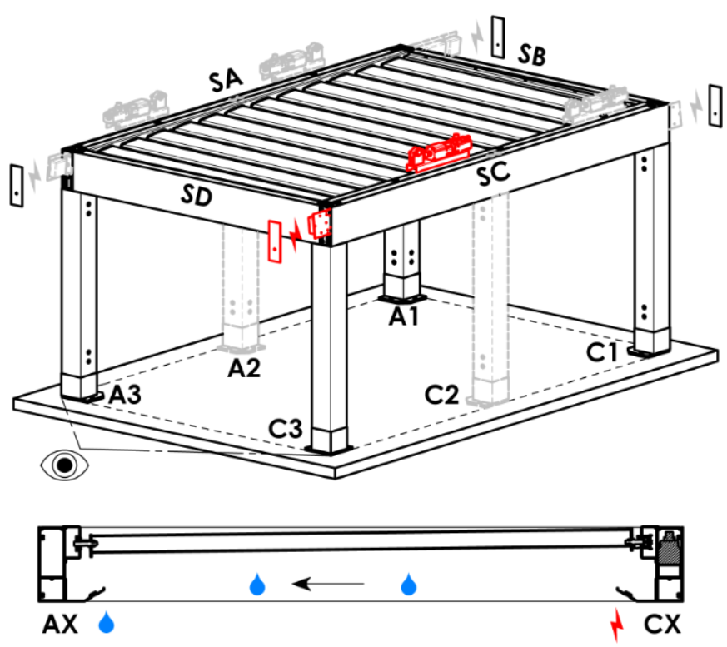
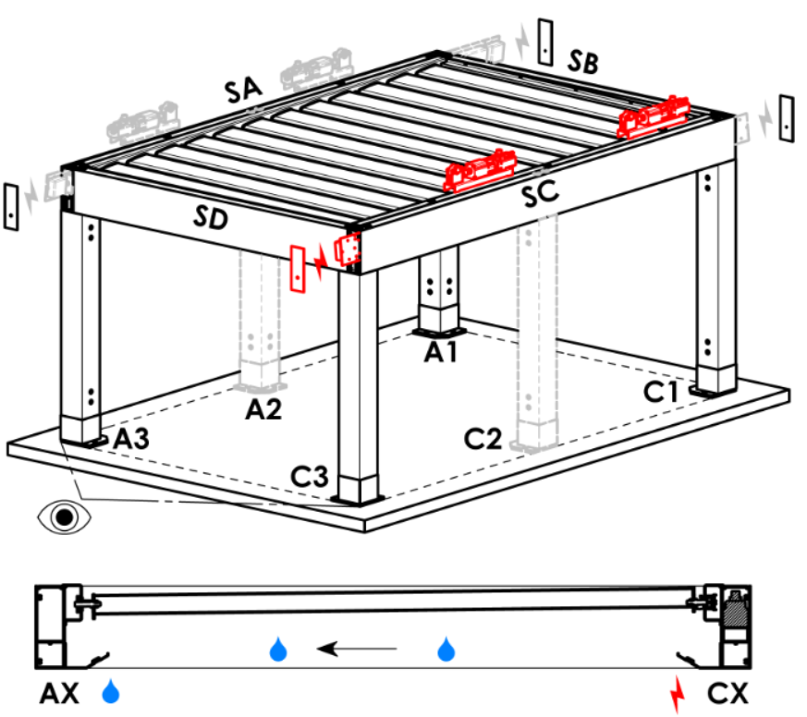
Access point and number of motors
abbreviation | name | note | Access point and number of motors
A1 | A1 | 1pc motor | A1 |  |  | A1A3 |  |  | A3 |  | A3A1 |  | C1 | C1C3 |  | C3 |  | C3C1
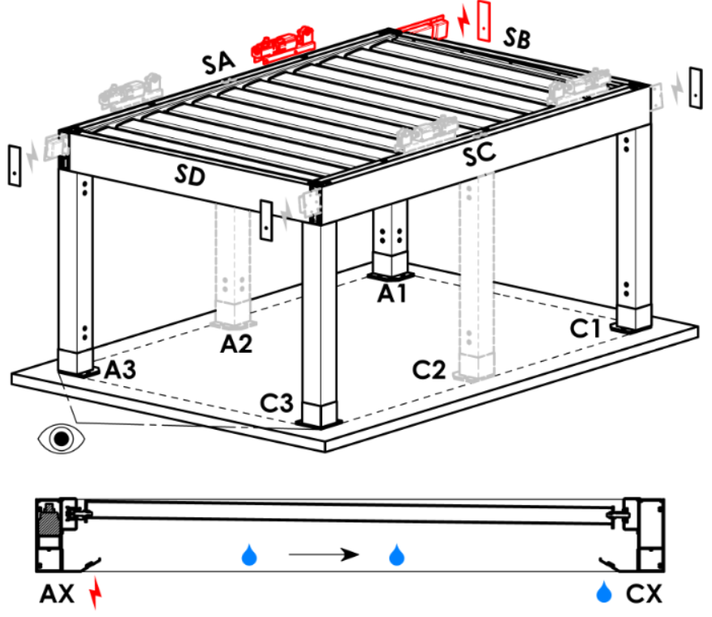
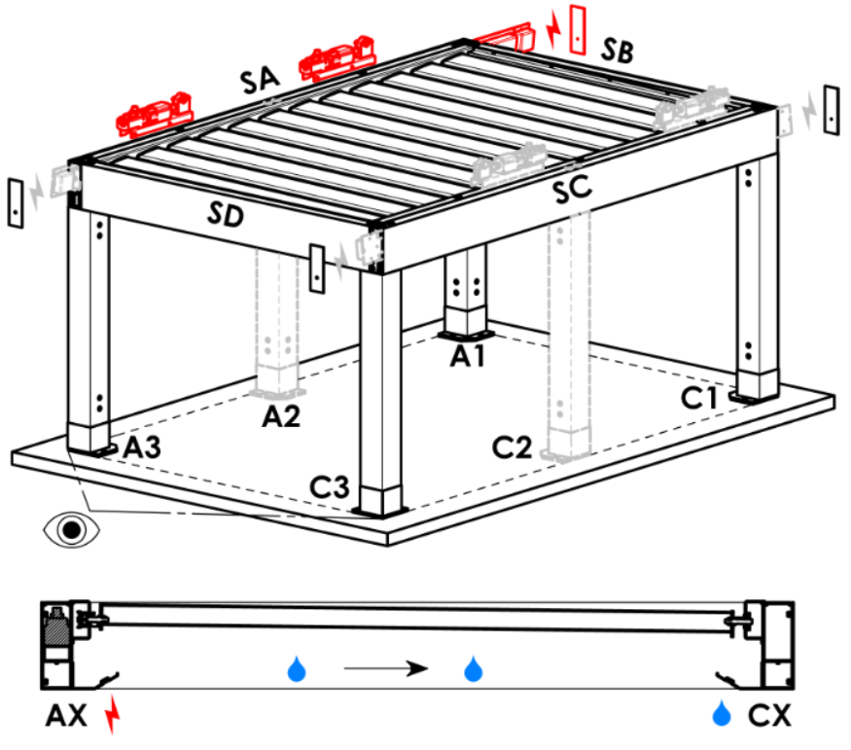
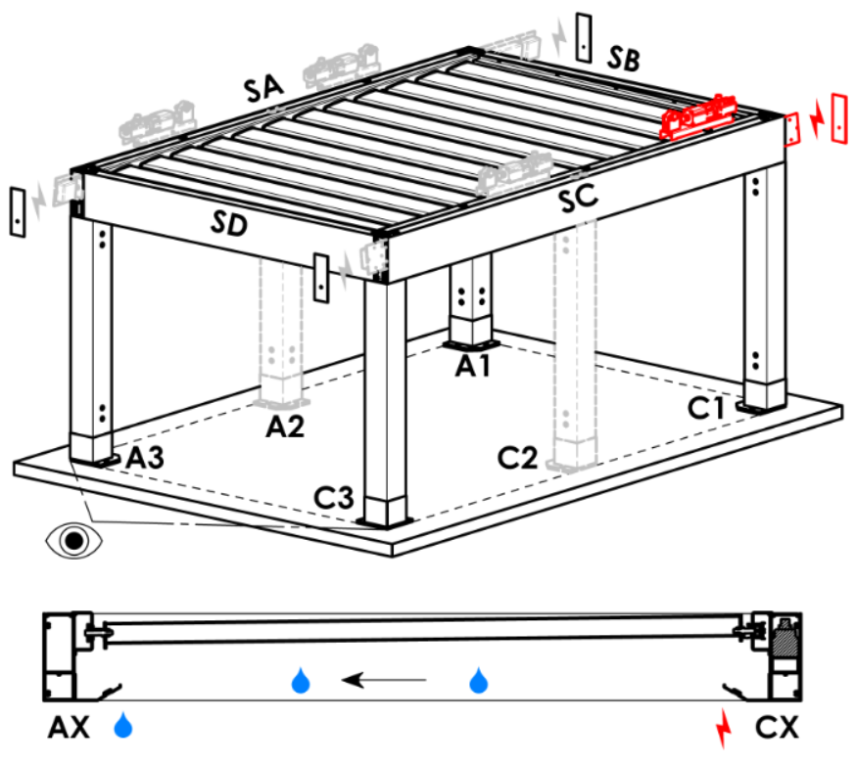
A3 | A3 | 1pc motor
C1 | C1 | 1pc motor
C3 | C3 | 1pc motor
A1A3 | A1+A3 | 2pcs motors, power supply from A1
C1C3 | C1+C3 | 2pcs motors, power supply from C1
A3A1 | A3+A1 | 2pcs motors, power supply from A3
C3C1 | C3+C1 | 2pcs motors, power supply from C3

Motor type
abbreviation | name | note
S_WT_SR | 01.motor Somfy WT+SLIM IO receiver
S_WT | 01.motor Somfy WT

Auxiliary access point
abbreviation | name | note
N | none | for pergola type A and B
SA-A3 | in the profile SA - in the corner A3 | for pergola type D, auxiliary access point A3 and A3A1
SA-A1 | in the profile SA - in the corner A1 | for pergola type D, auxiliary access point A1 and A1A3
SC-C1 | in the profile SC - in the corner C1 | for pergola type D, auxiliary access point C1 and C1C3
SC-C3 | in the profile SC - in the corner C3 | for pergola type D, auxiliary access point C3 and C3C1

Frame anchoring
abbreviation | name | note | Frame anchoring
N | none |  | N |  | SA |  | SB |  |  | SC |  | SD | SA+SB | SA+SC | SA+SD |  | SB+SC |  | SB+SD | SC+SD | SA+SB+SC | SA+SB+SD | SB+SC+SD | SA+SC+SD | SA+SB+SC+SD
SA | on the side SA
SB | on the side SB | not for pergola type A
SC | on the side SC
SD | on the side SD | not for pergola type A and B
...

